Exhibit 2
Exhibit 2: Consolidated Capitalization as of December, 2010 (U.S. $ millions)
Short-term debt
Variable/LIBOR +1% p.a., revolving loan facility, due 3/31/2011 | 215.0
Current portion of senior unsecured notes, due 4/15/2011a | 40.7

Long-term debt
Fixed/3.5% p.a., senior unsecured notes, due 4/15/2014 | 81.4
Fixed/6.5% p.a., subordinated convertible debenture, due 6/15/2016 | 170.0

Total Debt | 507.1

Equity
$3.00 preferred stockb | 75.0
Common stockc | (8.1)

Total equity | 66.9

Total capitalization | 574.0
a Due date for current portion of long-term debt only.
b Cumulative preferred stock, 25,000,000 shares outstanding, $75 million liquidation value.
c 64,800,000 shares outstanding.

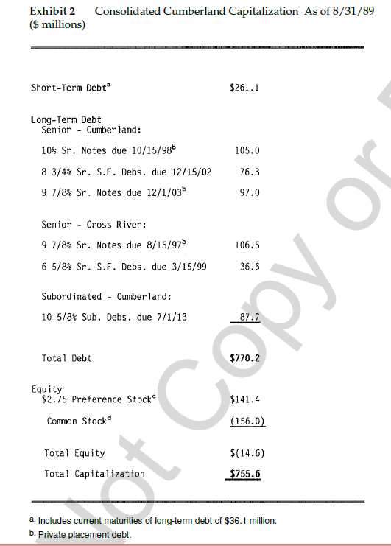

 |  | 141.4 | 5 | 28.44 | 25 | 5 | 5.03
 |  |  |  |  | 124.3003 | 5 | 25.00

